Sheet1
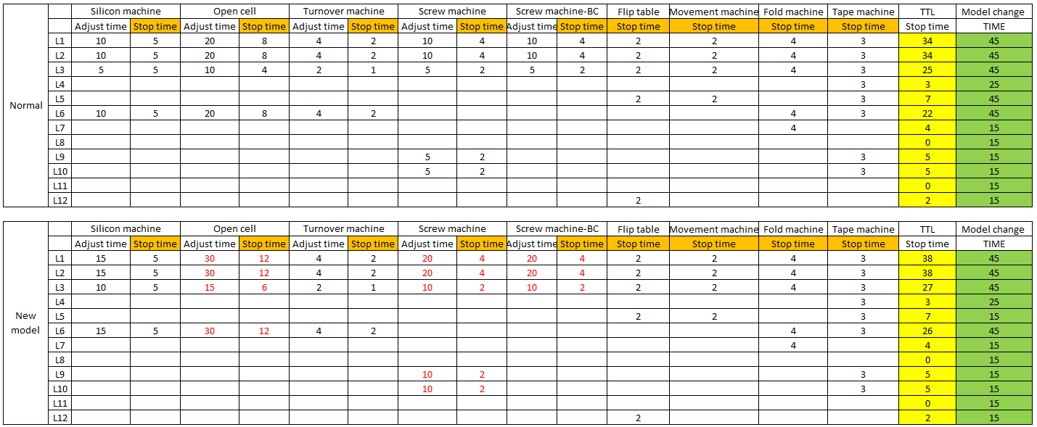
Model change report
HISENSE ELECTRONICA MEXICO S.A. de C.V.

Date DD/MM/YY: | / /
Line | Exit model |  | Input model |  | Shift |  | Input time
 | Last serial number |  | First serial number |  | Day Night
 | MCKD-3A | MCKD-1 |  | CKD | SKD

Area | Issues found |  | Time | Main issue | Responsible | Time | Finish time
Unpacking
Input Time:

Area | Issues found |  | Time | Main issue | Responsible | Time | Finish time
Input Back Plane
Input Time:

Area | Issues found |  | Time | Main issue | Responsible | Time | Finish time
Clean Room

Input Time:

Area | Issues found |  | Time | Main issue | Responsible | Time | Finish time
Module Assy

Input Time:

Area | Issues found |  | Time | Main issue | Responsible | Time | Finish time
Final Assembly

Input Time:

Area | Issues found |  | Time | Main issue | Responsible | Time | Finish time
Adjusment

Input Time:

Area | Issues found |  | Time | Main issue | Responsible | Time | Finish time
Packing

Input Time:

Comments |  |  |  | Finish change time | Total time |  | PE

Name & Sign
 |  |  |  | EFM (Module) | EFM (Final) |  | PFA SV

Name & Sign
Name & Sign
Name & Sign

Model change report
HISENSE ELECTRONICA MEXICO S.A. de C.V.

Area | Issues found |  | Time | Main issue | Responsible | Time | Finish time

El tiempo que puede parar mantenimiento en un cambio de modelo es el señalado como stop time por ejemplo:
-Si en el Ajuste del silicon paran 6 minutos , EFM tiene permitido parar 5 y se les cargaria 1 minuto como tiempo muerto
-Si los paros se encuentran dentro del tiempo no se les debera de cargar ningun minuto

